Page 2 - Reference Figures
SMCMUA - Meter Sizing Application
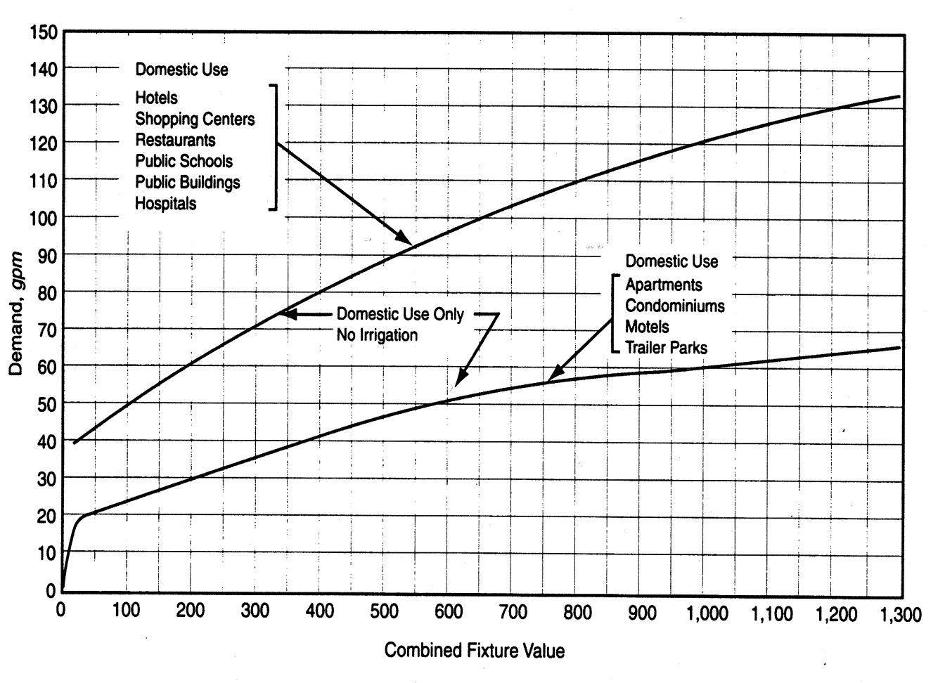

Figure 1: Water Flow Demand per Fixture Value – Low Range

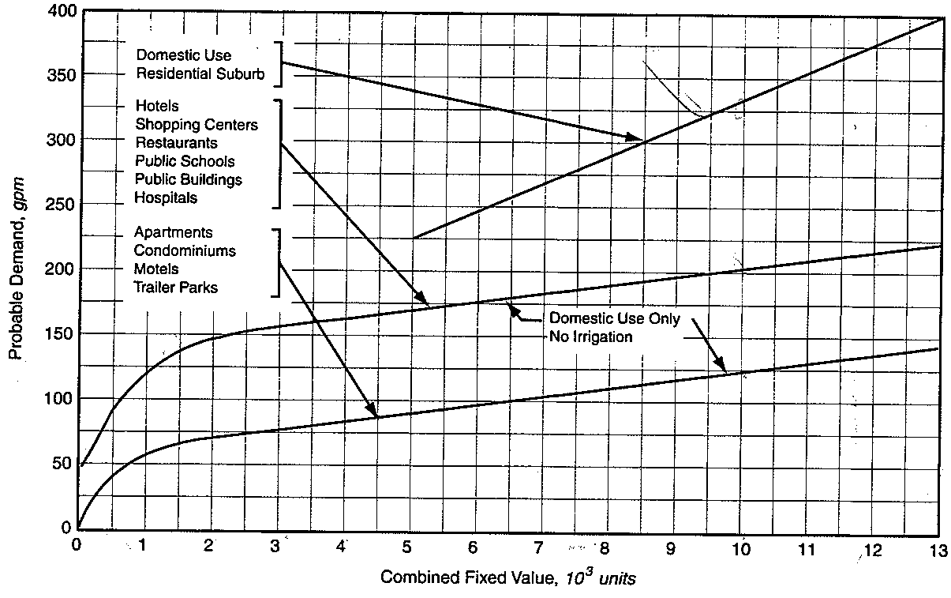

Figure 2: Water Flow Demand per Fixture Value – High Range

